Sheet1
side length (x) | surface area (6x^2) | volume (x^3) | 1:1 ratio | SA:V ratio
0.001 | 0.000006 | 0.000000001 | 0.000006 | 6000
0.01 | 0.0006 | 0.000001 | 0.0006 | 600
Fig 2: Cell SA:V ratio vs Side Length
0.1 | 0.06 | 0.001 | 0.06 | 60
0.5 | 1.5 | 0.125 | 1.5 | 12
1 | 6 | 1 | 6 | 6
2 | 24 | 8 | 24 | 3
3 | 54 | 27 | 54 | 2
4 | 96 | 64 | 96 | 1.5
5 | 150 | 125 | 150 | 1.2
6 | 216 | 216 | 216 | 1
7 | 294 | 343 | 294 | 0.86
8 | 384 | 512 | 384 | 0.75
9 | 486 | 729 | 486 | 0.67
10 | 600 | 1000 | 600 | 0.6

Fig 1: Cell Surface Area:Volume Ratio

 |  |  |  |  | Figure 2: As cell side length (size) increases, the surface area to volume ratio decreases towards zero, because volume is increasing by a power of three and surface area only by a power of two. As cell size decreases towards zero, the surface area to volume ratio approaches infinity. This means that the smallest cells have the greatest surface area relative to their volume. The y axis (SA:V ratio) has been log transformed to make the relationship easier to visualize.

Sheet2
Mouse-to-Elephant Curve
Body Mass (kg) | Metabolic Rate (W) | Animal
0.01546260378 | 0.17105905458 | Mouse
0.01613500613 | 0.30028116345 | Small Birds
0.22295569646 | 1.3378409784 | Pigeon
0.33750635543 | 1.6886050738 | Rat
2.080693015 | 7.2368665103 | Hen
2.4327860038 | 5.9604753859 | Cat
3.0244693555 | 7.3786604938 | Rabbit
9.9130355752 | 22.300500321 | Condor
14.430190477 | 29.261200154 | Dog
33.045378223 | 41.493257202 | Goat
44.516014759 | 67.39872569 | Sheep
61.025099893 | 74.265398685 | Woman
68.772493351 | 95.573409342 | Man
415.34566323 | 350.70650408 | Cow
537.38935796 | 478.38249649 | Horse
5020.0801391 | 3081.5132889 | Elephant

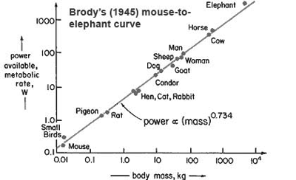

Data pulled from the original graph using:
http://arohatgi.info/WebPlotDigitizer/

